SerumExosome (2)
...
TAC
TAC
 |  |  | hMFG-E8 | hSyntenin
 | WT | sham | 7,716,179.00 | 801,368.00
 |  |  | 7,279,477.00 | 749,369.00
WT
AKO
WT
AKO
 |  |  | 5,103,716.00 | 1,657,289.00
WT
Sham
WT
Sham
 |  |  | 4,753,307.00 | 1,569,476.00
Control
hMSC
Control
hMSC
Control
hMSC
Control
hMSC
TAC |  | Cont | 7,584,565.00 | 980,102.00
 |  |  | 7,901,411.00 | 1,740,944.00
 |  |  | 3,665,496.00 | 1,088,069.00
 |  |  | 2,413,310.00 | 592,354.00
Human MFG-E8
 |  | hMSC | 21,360,017.00 | 2,364,777.00
 |  |  | 22,165,277.00 | 2,709,672.00
 |  |  | 13,427,053.00 | 1,406,865.00
 |  |  | 18,910,562.00 | 1,804,409.00
Human CD63
 | AKO | Cont | 7,659,947.00 | 1,795,750.00
 |  |  | 6,559,516.00 | 1,761,665.00
 |  |  | 3,190,001.00 | 871,026.00
Alix
 |  |  | 3,369,978.00 | 1,250,303.00
 |  | hMSC | 19,382,082.00 | 1,510,503.00
 |  |  | 8,490,012.00 | 1,230,465.00
Tsg101
...
h Syntenin
...
Syntenin
...
 |  |  |  |  |  |  |  |  |  |  |  | Tsg101_2018-10-20 12h52m03s 41.255s Chemiluminescence
 |  |  |  |  |  | 0.066284078396 | 0.052116714599 | 0.032473593491 | 0.0049079941911 | 0.15937330276 | 0.40146658218 | 10 | U10 | Unknown | 14,656,792.00 | 13,661,550.00
 |  |  |  |  |  | 0.0013357175835 | 0.041319514067 | 0.021562681327 | 0.0013349328352 | 0.0068070960587 | 0.15995435056 | 11 | U11 | Unknown | 16,924,042.00 | 15,928,800.00
 |  |  |  |  |  | 0.13325400279 | 0.79163733375 | 0.72537222837 | 0.3943109675 | 0.046639224734 | 0.74219320937 | 12 | U12 | Unknown | 12,244,603.00 | 11,249,361.00
 |  |  |  |  |  |  |  |  |  |  |  | 13 | U13 | Unknown | 11,767,569.00 | 10,772,327.00
 |  |  |  |  | SEM | 0.12078404889 | 0.20329375214 | 0.13392268863 | 0.080775849418 | 0.11525732087 | 0.18336321926 | 14 | U14 | Unknown | 8,741,709.00 | 7,746,467.00
 |  |  |  |  |  | 0.22261896855 | 0.19975088039 | 0.036793644466 | 0.32931151997 | 0.10994213813 | 0.11359179832 | 15 | U15 | Unknown | 11,160,820.00 | 10,165,578.00
 |  |  |  |  |  | 0.31733689975 | 0.24246188864 | 0.16747281858 | 0.30290386392 | 0.41557441544 | 0.094231062261 | 16 | U16 | Unknown | 12,651,016.00 | 11,655,774.00
 |  |  |  |  |  | 0.18166862513 | 0.18534940125 | 0.073508932489 | 0.18878160852 | 0.11210122066 | 0.12666232512 | 17 | U17 | Unknown | 7,900,421.00 | 6,905,179.00
 |  |  |  |  |  | 0.49032080605 | 0.051167853783 | 0.10272271619 | 0.41987746685 | 0.30259700366 | 0.22392519962 | 18 | U18 | Unknown | 8,097,784.00 | 7,102,542.00
 |  |  |  |  |  |  |  |  |  |  |  | 19 | U19 | Unknown | 6,669,852.00 | 5,674,610.00
hMFG-E8
sham | 1.00 | 1 | 1.24
Cont | 0.87 | 1 | 1.17
hMSC | 3.05 | 1 | 0.82
Cont | 0.84 | 1 | 0.77
hMSC | 1.74 | 2 | 1.22
 |  | 2 | 1.27
 |  | 2 | 0.59
 |  | 2 | 0.39
 |  | 3 | 3.44
 |  | 3 | 3.57
 |  | 3 | 2.16
 |  | 3 | 3.04
 |  | 4 | 1.23
 |  | 4 | 1.06
 |  | 4 | 0.51
 |  | 4 | 0.54
 |  | 5 | 3.12
 |  | 5 | 1.37
 |  | 5 | 1.66
 |  | 5 | 0.83
Syntenin
sham | 1.00 | 1 | 0.67
Cont | 0.92 | 1 | 0.63
hMSC | 1.73 | 1 | 1.39
Cont | 1.19 | 1 | 1.31
hMSC | 1.14 | 2 | 0.82
 |  | 2 | 1.46
 |  | 2 | 0.91
 |  | 2 | 0.50
 |  | 3 | 1.98
 |  | 3 | 2.27
 |  | 3 | 1.18
 |  | 3 | 1.51
 |  | 4 | 1.50
 |  | 4 | 1.47
 |  | 4 | 0.73
 |  | 4 | 1.05
 |  | 5 | 1.26
 |  | 5 | 1.03
 |  | 5 | 1.08
 |  | 5 | 1.16
Tsg101
sham | 1.00 | 1 | 1.40
Cont | 0.62 | 1 | 0.87
hMSC | 1.15 | 1 | 0.83
Cont | 0.56 | 1 | 0.90
hMSC | 0.60 | 2 | 0.69
 |  | 2 | 0.62
 |  | 2 | 0.65
 |  | 2 | 0.52
 |  | 3 | 0.84
 |  | 3 | 0.98
 |  | 3 | 1.16
 |  | 3 | 1.61
 |  | 4 | 0.42
 |  | 4 | 0.44
 |  | 4 | 0.65
 |  | 4 | 0.71
 |  | 5 | 0.80
 |  | 5 | 0.31
 |  | 5 | 0.63
 |  | 5 | 0.67
Alix
sham | 1.00 | 1 | 0.94
Cont | 1.25 | 1 | 1.24
hMSC | 3.78 | 1 | 0.91
Cont | 1.11 | 1 | 0.91
hMSC | 1.53 | 2 | 1.45
 |  | 2 | 2.10
 |  | 2 | 0.67
 |  | 2 | 0.79
 |  | 3 | 3.57
 |  | 3 | 3.02
 |  | 3 | 4.12
 |  | 3 | 4.39
 |  | 4 | 1.55
 |  | 4 | 0.78
 |  | 4 | 1.31
 |  | 4 | 0.81
 |  | 5 | 2.16
 |  | 5 | 0.54
 |  | 5 | 2.30
 |  | 5 | 1.14
hCD63
sham | 1.00 | 1 | 1.06
Cont | 0.77 | 1 | 0.75
hMSC | 2.50 | 1 | 0.90
Cont | 0.87 | 1 | 1.29
hMSC | 1.68 | 2 | 0.87
 |  | 2 | 1.01
 |  | 2 | 0.67
 |  | 2 | 0.51
 |  | 3 | 1.87
 |  | 3 | 1.90
 |  | 3 | 2.60
 |  | 3 | 3.64
 |  | 4 | 1.08
 |  | 4 | 0.95
 |  | 4 | 0.89
 |  | 4 | 0.56
 |  | 5 | 2.31
 |  | 5 | 0.94
 |  | 5 | 2.00
 |  | 5 | 1.46
 |  |  |  |  |  |  |  |  |  |  |  | 20 | U20 | Unknown | 7,604,705.00 | 6,609,463.00
 |  |  |  |  |  |  |  |  |  |  |  | 21 | B1 | Background | 995,242.00 | 0
1 | 1.24
1 | 1.17
1 | 0.82
1 | 0.77
2 | 1.22
2 | 1.27
2 | 0.59
2 | 0.39
3 | 3.44
3 | 3.57
3 | 2.16
3 | 3.04
4 | 1.23
4 | 1.06
4 | 0.51
4 | 0.54
5 | 3.12
5 | 1.37
5 | 1.66
5 | 0.83

 |  |  |  |  |  |  |  |  |  |  |  | hMFG-E8_2018-10-22 12h47m55s 6.002s Chemiluminescence
 |  |  |  |  |  |  |  |  |  |  |  | No. | Label | Type | Volume (Int) | Adj. Vol. (Int)
 |  |  |  |  |  |  |  |  |  |  |  | 1 | U1 | Unknown | 12,242,504.00 | 7,716,179.00
 |  |  |  |  |  |  |  |  |  |  |  | 2 | U2 | Unknown | 11,805,802.00 | 7,279,477.00
 |  |  |  |  |  |  |  |  |  |  |  | 3 | U3 | Unknown | 12,110,890.00 | 7,584,565.00
 |  |  |  |  |  |  |  |  |  |  |  | 4 | U4 | Unknown | 12,427,736.00 | 7,901,411.00
 |  |  |  |  |  |  |  |  |  |  |  | 5 | U5 | Unknown | 25,886,342.00 | 21,360,017.00
 |  |  |  |  |  |  |  |  |  |  |  | 6 | U6 | Unknown | 26,691,602.00 | 22,165,277.00
 |  |  |  |  |  |  |  |  |  |  |  | 7 | U7 | Unknown | 12,186,272.00 | 7,659,947.00
 |  |  |  |  |  |  |  |  |  |  |  | 8 | U8 | Unknown | 11,085,841.00 | 6,559,516.00
 |  |  |  |  |  |  |  |  |  |  |  | 9 | U9 | Unknown | 23,908,407.00 | 19,382,082.00
 |  |  |  |  |  |  |  |  |  |  |  | 10 | U10 | Unknown | 13,016,337.00 | 8,490,012.00
 |  |  |  |  |  |  |  |  |  |  |  | 11 | U11 | Unknown | 9,630,041.00 | 5,103,716.00
 |  |  |  |  |  |  |  |  |  |  |  | 12 | U12 | Unknown | 9,279,632.00 | 4,753,307.00
 |  |  |  |  |  |  |  |  |  |  |  | 13 | U13 | Unknown | 8,191,821.00 | 3,665,496.00
 |  |  |  |  |  |  |  |  |  |  |  | 14 | U14 | Unknown | 6,939,635.00 | 2,413,310.00
 |  |  |  |  |  |  |  |  |  |  |  | 15 | U15 | Unknown | 17,953,378.00 | 13,427,053.00
 |  |  |  |  |  |  |  |  |  |  |  | 16 | U16 | Unknown | 23,436,887.00 | 18,910,562.00
 |  |  |  |  |  |  |  |  |  |  |  | 17 | U17 | Unknown | 7,716,326.00 | 3,190,001.00
 |  |  |  |  |  |  |  |  |  |  |  | 18 | U18 | Unknown | 7,896,303.00 | 3,369,978.00
 |  |  |  |  |  |  |  |  |  |  |  | 19 | U19 | Unknown | 14,865,125.00 | 10,338,800.00
 |  |  |  |  |  |  |  |  |  |  |  | 20 | U20 | Unknown | 9,654,116.00 | 5,127,791.00
 |  |  |  |  |  |  |  |  |  |  |  | 21 | B1 | Background | 4,526,325.00 | 0

 |  |  |  |  |  |  |  |  |  |  |  | Alix_2018-10-22 12h55m16s 13.371s Chemiluminescence
...
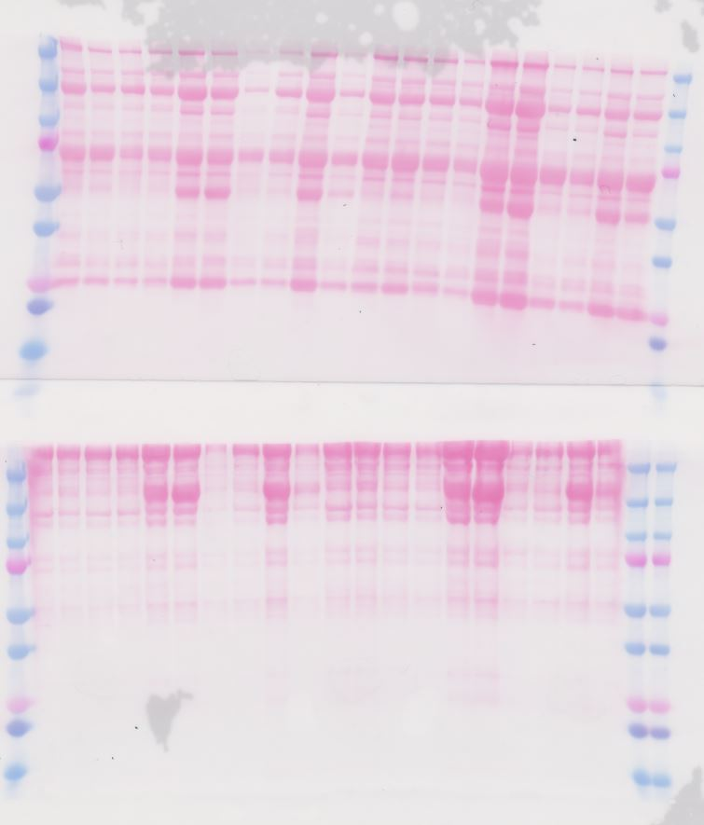
...
ExoQuick 25.2uL
PBS(+) 1mL
PBS(+) 1mL
...
SDS-Sample Buffer
25uL dissolved
...
On ice, 30min
...
1,500g, 4C, 30min
56K rpm, 4C, 2hr
56K rpm, 4C, 2hr
...
Serum 100uL
Pellet
...

