Data for Fig.2
Raw data for Fig.2
 |  | 33μg/mg S-(-)-alpha-pinene Voalties identification
 |  | (ng/hindgut)
 |  | (-)-myrtenal |  | S-(-)-cis-verbenol |  | (-)-trans-verbenol |  | (+)-trans-verbenol |  | (-)-verbenone |  | (-)-myrtenol |  |  |  | Retention time (min.)
 | Male1 | 76.006233304 | 1.8865258808 | 12.703180212 | 1.1368213692 | 215.84149599 | 2.3361423948 | 107.24621549 | 2.0344127215 | 428.98486198 | 2.6334531661 | 117.93855744 | 2.0753226668 |  | S-(-)-cis-verbenol |  | 26.876
 | Male2 | 15.427426536 | 1.2155695337 | 124.36881625 | 2.0981895252 | 96.518254675 | 1.9890859199 | 64.320903829 | 1.8150521853 | 257.28361532 | 2.4120968568 | 99.136242208 | 2.0005912897 |  | (-)-myrtenal |  | 26.987
 | Male3 | 9.464826358 | 1.0197320265 | 40.940812721 | 1.6226368419 | 58.244879786 | 1.7726508226 | 19.801758682 | 1.3181000539 | 79.207034728 | 1.9042124607 | 90.167853963 | 1.9598417319 |  | (-)-trans-verbenol |  | 27.342
 | Male4 | 39.425645592 | 1.6066569643 | 396.16518255 | 2.5989711691 | 236.21994657 | 2.3751512038 | 161.76202137 | 2.2115530748 | 647.04808549 | 2.8116072319 | 600.12021371 | 2.7789613321 |  | (-)-verbenone |  | 28.242
 | Male5 | 19.514692787 | 1.3120650177 | 274.02671416 | 2.4393748802 | 73.949243099 | 1.8747672513 | 40.478851291 | 1.6178267206 | 161.91540516 | 2.2119621528 | 242.28406055 | 2.3861136558 |  | (+)-trans-verbenol |  | 28.767
 | Male6 | 24.786286732 | 1.4113888075 | 7.667844523 | 0.93791111268 | 110.45102404 | 2.0470840633 | 51.096393589 | 1.71680766 | 204.38557435 | 2.3125699368 | 26.019590383 | 1.4316787608 |  | (-)-myrtenol |  | 28.815
 | Male7 | 37.119323241 | 1.5811451817 | 224.23152271 | 2.3526291729 | 205.26268923 | 2.3144206757 | 101.54686109 | 2.0109223713 | 406.18744435 | 2.609794378 | 446.59839715 | 2.6508885227
 | Male8 | 73.10507569 | 1.8698479552 | 59.496024735 | 1.7817268376 | 161.61353517 | 2.2111566914 | 70.277493321 | 1.8529524181 | 281.10997329 | 2.4504184398 | 250.05520926 | 2.3997692372
 | Male9 | 49.251558326 | 1.701149534 | 40.097173145 | 1.6138119501 | 94.769813001 | 1.9812286394 | 43.52437667 | 1.6485978482 | 174.09750668 | 2.2432799619 | 142.20213713 | 2.1559494994
 | Male10 | 61.062778272 | 1.7928312131 | 45.145759717 | 1.6641318004 | 112.93855744 | 2.0566707166 | 58.113913624 | 1.7716897127 | 232.4556545 | 2.3682043974 | 181.59394479 | 2.2614863713

 |  | (ng/hindgut)
 |  | (-)-myrtenal |  | S-(-)-cis-verbenol |  | (-)-trans-verbenol |  | (+)-trans-verbenol |  | (-)-verbenone |  | (-)-myrtenol
 | Female1 | 20.912733749 | 1.3406965619 | 0.50756901158 | 0.17827720185 | 8.6910062333 | 0.98636887291 | 16.593944791 | 1.2453632248 | 5.7702582369 | 0.83060523423 | 1.2751558326 | 0.35701114821
 | Female2 | 38.731967943 | 1.5991400764 | 2.5645592164 | 0.55200583384 | 20.066785396 | 1.3235982712 | 12.631344613 | 1.1345386973 | 11.464826358 | 1.0956862329 | 2.6504897596 | 0.56235113449
 | Female3 | 37.68477293 | 1.587540052 | 1.4024933215 | 0.38066218907 | 22.729296527 | 1.3752848634 | 9.6260017809 | 1.0263698844 | 12.083704363 | 1.1167307223 | 6.5837043633 | 0.87988139449
 | Female4 | 11.97239537 | 1.1130201765 | 0.86375779163 | 0.27038947208 | 1.838824577 | 0.45313855646 | 5.4719501336 | 0.81103516237 | 4.1184327694 | 0.7091370032 | 1.9149599288 | 0.464632589
 | Female5 | 30.948352627 | 1.5044484693 | 4.3276936776 | 0.72653924658 | 9.0071237756 | 1.0003092715 | 23.357079252 | 1.3866252092 | 34.247551202 | 1.5471289501 | 3.7943009795 | 0.68072529495
 | Female6 | 18.93588602 | 1.299635542 | 2.2617987533 | 0.5134571624 | 5.035618878 | 0.78072180824 | 11.162065895 | 1.0850073521 | 10.120213713 | 1.0461131338 | 1.7221727516 | 0.43491568246
 | Female7 | 25.36064114 | 1.4209559689 | 2.7871772039 | 0.57831562645 | 8.7488869101 | 0.98895503248 | 2.6669634907 | 0.56430658602 | 23.780053428 | 1.3941022384 | 2.4723953695 | 0.54062916842
 | Female8 | 14.10952805 | 1.1792508992 | 7.2662511131 | 0.91730859419 | 34.837488869 | 1.5543375711 | 8.0476402493 | 0.95653532392 | 20.249332146 | 1.327345285 | 2.7564559216 | 0.57477829718
 | Female9 | 2.9697239537 | 0.59876030788 | 2.1593944791 | 0.4996038549 | 17.635796972 | 1.2703479704 | 9.4568121104 | 1.0193993046 | 18.410507569 | 1.288036892 | 2.1999109528 | 0.50513789293
 | Female10 | 1.8504007124 | 0.45490591788 | 1.6518254675 | 0.42354493715 | 23.57079252 | 1.3904191647 | 13.423864648 | 1.1590816384 | 8.4016028495 | 0.9732019014 | 0.88557435441 | 0.27544366274
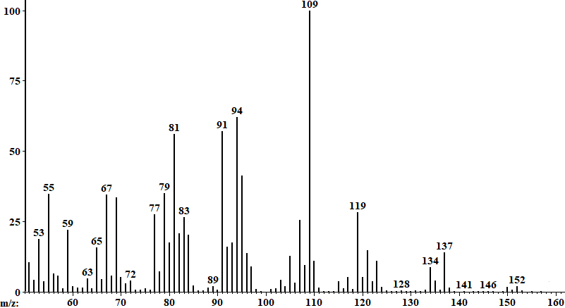
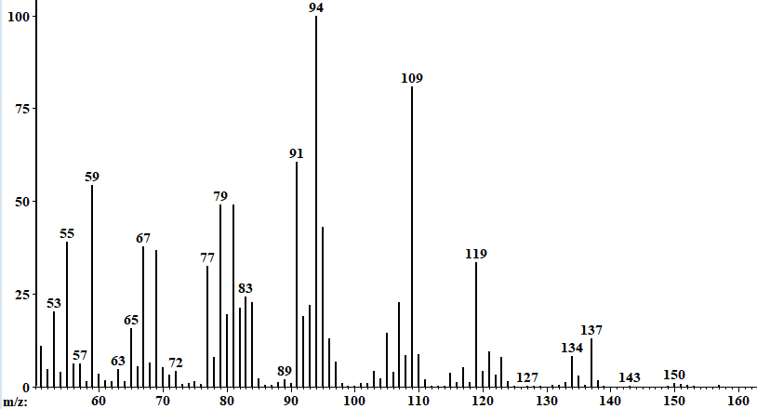
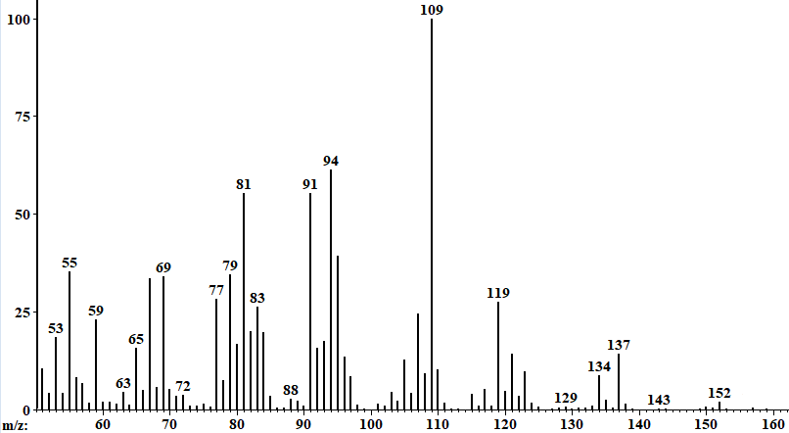

 |  |  |  |  |  |  |  |  |  |  |  |  |  | (-)-trans-verbenol |  |  |  | (+)-trans-verbenol
 |  |  |  | S-(-)-cis-verbenol

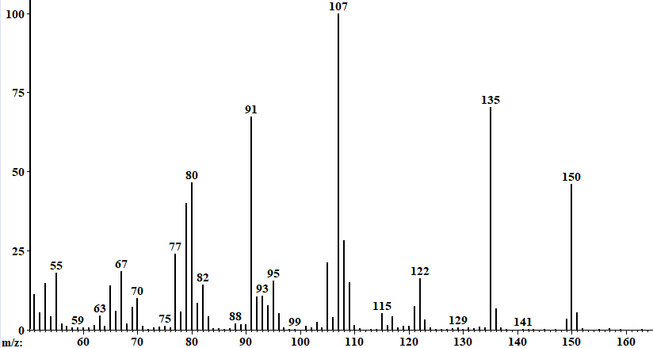
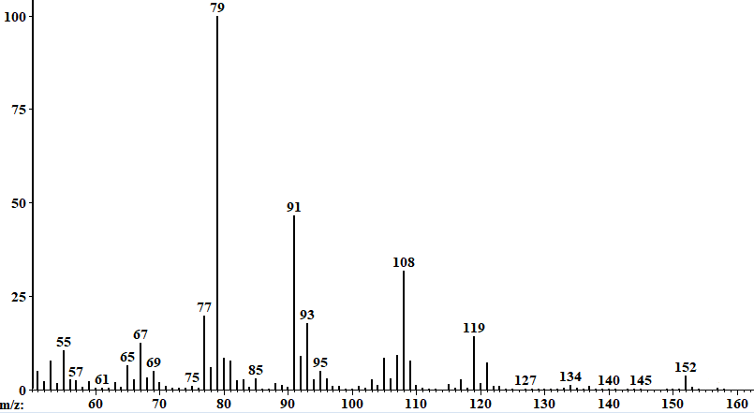

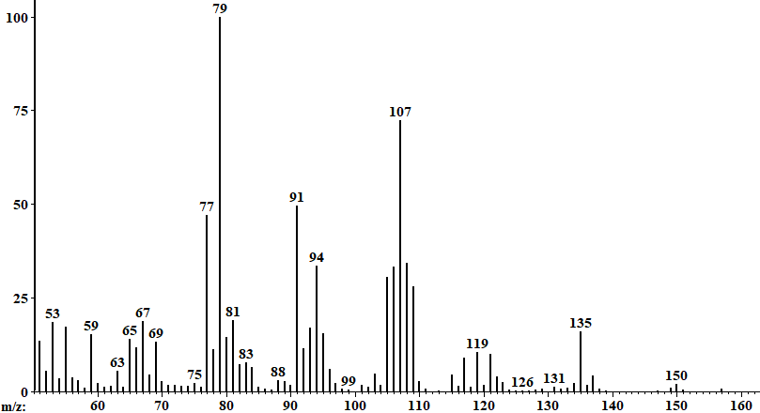

 |  |  |  |  |  |  |  |  |  |  |  |  |  |  | (-)-verbenone |  |  | (-)-myrtenol

 |  |  |  | (-)-myternal

 |  | 33μg/mg R-(+)-alpha-pinene Voalties identification
 |  | (ng/hindgut)
 |  | (+)-trans-verbenol |  | (+)-verbenone |  | (+)-myrtenol |  |  |  |  | Retention time (min.)
 | Male1 | 263.43276937 | 2.4223152733 | 55.213713268 | 1.7498422741 | 59.145146928 | 1.7792005902 |  |  | (+)-verbenone | 28.422
 | Male2 | 37.885129118 | 1.5897835454 | 9.3989314337 | 1.0169887147 | 9.6126447017 | 1.0258236248 |  |  | (+)-trans-verbenol | 28.767
 | Male3 | 250.69234194 | 2.4008700018 | 50.47016919 | 1.7115555958 | 63.369545859 | 1.8086804451 |  |  | (+)-myrtenol | 28.884
 | Male4 | 397.35529831 | 2.6002705979 | 71.262243989 | 1.8589114438 | 79.450133571 | 1.9055267695
 | Male5 | 157.59617097 | 2.2002926978 | 74.070124666 | 1.8754671371 | 45.455253785 | 1.667034837
 | Male6 | 93.704363313 | 1.9763699887 | 26.890026714 | 1.4454489303 | 58.016473731 | 1.7709732566
 | Male7 | 54.885574354 | 1.7472997187 | 13.403383793 | 1.1584645331 | 40.151380232 | 1.6143844062
 | Male8 | 494.04496883 | 2.6946446511 | 248.41050757 | 2.3969147462 | 160.04808549 | 2.2069555664
 | Male9 | 748.17898486 | 2.8745855865 | 38.822796082 | 1.6001317499 | 115.58949243 | 2.0666594116
 | Male10 | 346.11086376 | 2.5404682063 | 86.165850401 | 1.9403463715 | 57.916295637 | 1.7702354328

 |  |  | ok |  | ok
 |  | (ng/hindgut)
 |  | (+)-trans-verbenol |  | (+)-verbenone |  | (+)-myrtenol
 | Female1 | 13.508459484 | 1.1616213013 | 9.679430098 | 1.0285480774 | 3.446126447 | 0.64798180979
 | Female2 | 7.6758682102 | 0.93831294629 | 6.8299198575 | 0.8937573169 | 3.5262689225 | 0.65574035344
 | Female3 | 3.196794301 | 0.6229176835 | 2.6447016919 | 0.56166198838 | 3.1700801425 | 0.62014440152
 | Female4 | 0.86821015138 | 0.2714257276 | 1.3089937667 | 0.36342276051 | 1.660730187 | 0.42500083688
 | Female5 | 3.5129118433 | 0.65445684995 | 2.4220837044 | 0.5342906282 | 2.0569902048 | 0.48529404716
 | Female6 | 0.73018699911 | 0.23809304434 | 6.4158504007 | 0.87016096024 | 0.82813891362 | 0.26200919311
 | Female7 | 1.0730186999 | 0.31660321972 | 2.7203918077 | 0.57058867938 | 1.96349065 | 0.47180356136
 | Female8 | 16.509349955 | 1.243270023 | 2.4977738201 | 0.54379172285 | 6.892252894 | 0.89720099304
 | Female9 | 0.9839715049 | 0.29753543024 | 3.0231522707 | 0.60456647032 | 5.1291184328 | 0.78739801329
 | Female10 | 0.83259127337 | 0.26306561416 | 4.7951914515 | 0.763067788 | 2.0525378451 | 0.48466105699

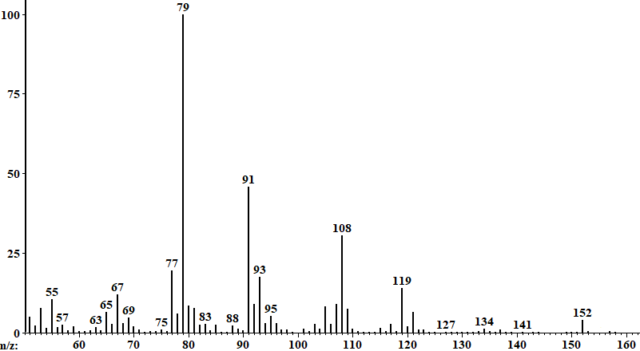

 |  |  |  |  |  |  |  |  |  |  |  |  |  |  | (+)-myrtenol
 |  |  |  | (+)-trans-verbenol

